Cover
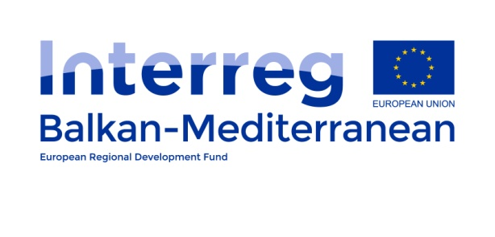
 |  |  |  |  |  | Version of STP
 |  |  |  |  |  | Date of Approval
 |  |  |  |  |  | MIS Code

Project Work Plan
1st Call for Project Proposals

Project title: |  | Promoting Energy Efficiency in Public Buildings of the Balkan Mediterranean Territory
Project acronym: |  | PRO-ENERGY
Priority Axis: |  | 2. Environment
Investment Priority:

Project duration: |  |  | Project Start date: | 2019-09-02 | Project End date: | 2021-09-01 | Total Months | 24.0

 |  | WP Title |  |  |  | Start date: | End date: | Total months
 | WP1 | Project Management & Coordination |  |  |  | 2019-02-09 | 2021-01-09 | 24.0
 | WP2 | Project Communication & Dissemination |  |  |  | 2019-02-09 | 2021-01-09 | 24.0
 | WP3 | Joint Regional Analysis, Strategy and Framework |  |  |  | 2019-02-09 | 2020-01-06 | 9.0
 | WP4 | Capacity Building for Energy Managers |  |  |  | 2020-02-06 | 2021-01-04 | 10.0
 | WP5 | Pilot Actions & Sustainability |  |  |  | 2020-02-09 | 2021-01-08 | 11.0
 | WP6 | EUSEW Participation |  |  |  | 2020-02-09 | 2021-01-09 | 12.0

 | Project Partner No | Partner Institution |  |  |  |  | Country | Budget
 | LP (PP1) | Region of Epirus - Regional Unit of Thesprotia |  |  |  |  | Greece | 306,000.00 €
 | PP2 | Development Agency of Evia SA |  |  |  |  | Greece | 195,500.00 €
 | PP3 | Cyprus Energy Agency |  |  |  |  | Cyprus | 102,000.00 €
 | PP4 | Department of Electrical and Mechanical Services – Ministry of Transport, Communications and Works |  |  |  |  | Cyprus | 102,000.00 €
 | PP5 | Regional Development Agency with Business Support Centre for Small and Medium-sized Enterprises |  |  |  |  | Bulgaria | 187,000.00 €
 | PP6 | Ministry of Infrastructure and Energy |  |  |  |  | Albania | 160,000.00 €
 | PP7
 | PP8
 |  |  |  |  |  |  | Total Project budget | 1,052,500.00 €

